Sheet1
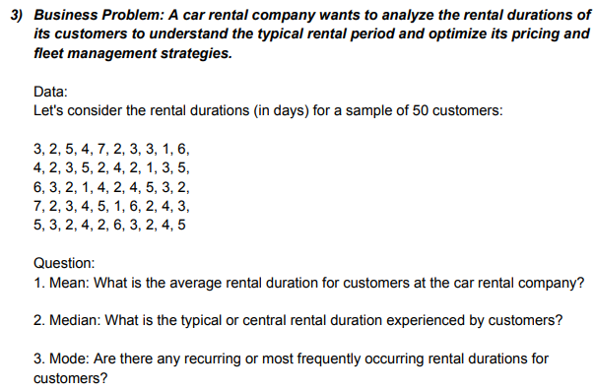
RANGE |  |  |  |  | ANSWERS
3 | 4 | 6 | 7 | 5
2 | 2 | 3 | 2 | 3 | MEAN | 3.44
5 | 3 | 2 | 3 | 2 | MEDIAN | 3
4 | 5 | 1 | 4 | 4 | MODE | 2
7 | 2 | 4 | 5 | 2
2 | 4 | 2 | 1 | 6
3 | 2 | 4 | 6 | 3
3 | 1 | 5 | 2 | 2
1 | 3 | 3 | 4 | 4
6 | 5 | 2 | 3 | 5

